We-Oh
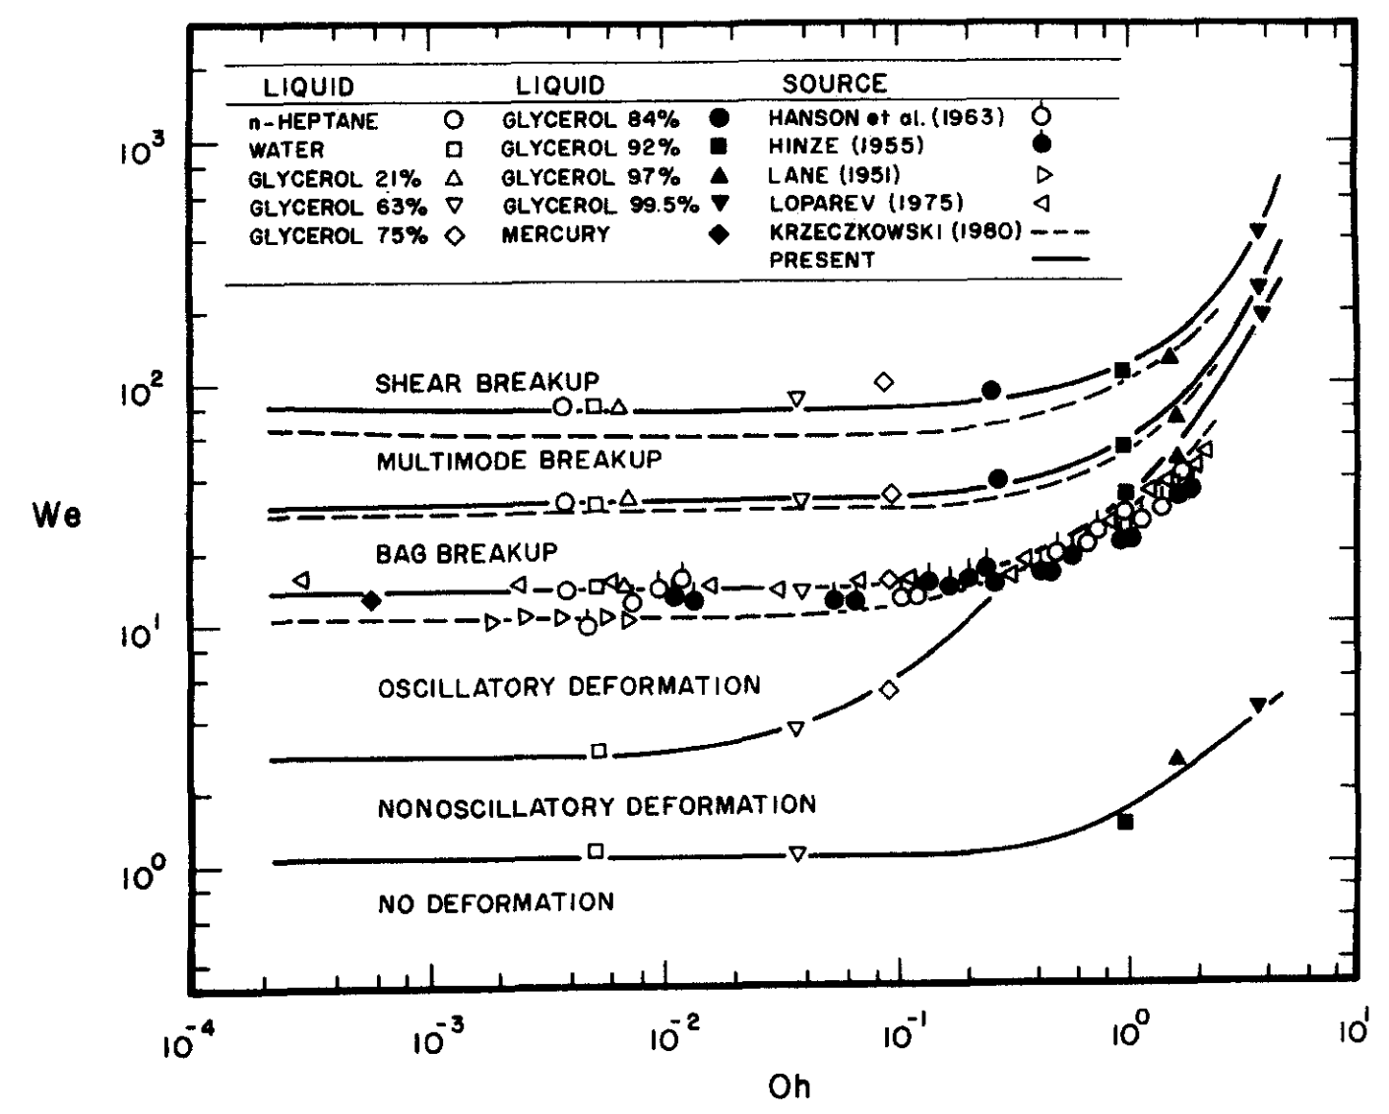
Constants |  |  |  |  |  | We | Oh | Re | Target Radius | Target Vel | We Ck | Oh Ck | O'Rourke | Tanner
Constant Name | Var in Code | Value | Units | Notes |  | 0.2 | 0.001 | 447.2135955 | 0.0113226119 | 1.0294785738 | 0.2 | 0.001
 |  |  |  |  |  | 0.4 | 0.001 | 632.45553203 | 0.0113226119 | 1.4559025613 | 0.4 | 0.001
gas density | rho_g | 1.18 | kg/m^3 | air |  | 0.6 | 0.001 | 774.59666924 | 0.0113226119 | 1.7831091952 | 0.6 | 0.001
liquid density | rho_l | 997 | kg/m^3 | water |  | 0.8 | 0.001 | 894.427191 | 0.0113226119 | 2.0589571476 | 0.8 | 0.001
parent radius | parent_r | 0.0002 | m | will change |  | 1.0 | 0.001 | 1000 | 0.0113226119 | 2.3019840724 | 1.0 | 0.001
surface tension | sigma | 0.0708 | kg/s^2 (N/m) | water |  | 2.0 | 0.001 | 1414.2135624 | 0.0113226119 | 3.2554970956 | 2.0 | 0.001
drop velocity | u | 50 | m/s | will change |  | 4.0 | 0.001 | 2000 | 0.0113226119 | 4.6039681449 | 4.0 | 0.001
liquid dynamic viscocity | mu_l | 0.000894 | Pa*s | water |  | 6.0 | 0.001 | 2449.4897428 | 0.0113226119 | 5.6386863735 | 6.0 | 0.001
gas dynamic viscocity | mu_g | 0.00185 | Pa*s | air |  | 8.0 | 0.001 | 2828.4271247 | 0.0113226119 | 6.5109941912 | 8.0 | 0.001
 |  |  |  |  |  | 10.0 | 0.001 | 3162.2776602 | 0.0113226119 | 7.2795128064 | 10.0 | 0.001
 |  |  |  |  |  | 20.0 | 0.001 | 4472.135955 | 0.0113226119 | 10.294785738 | 20.0 | 0.001
 |  |  |  |  |  | 40.0 | 0.001 | 6324.5553203 | 0.0113226119 | 14.559025613 | 40.0 | 0.001
 |  |  |  |  |  | 60.0 | 0.001 | 7745.9666924 | 0.0113226119 | 17.831091952 | 60.0 | 0.001
 |  |  |  |  |  | 80.0 | 0.001 | 8944.27191 | 0.0113226119 | 20.589571476 | 80.0 | 0.001
 |  |  |  |  |  | 100.0 | 0.001 | 10000 | 0.0113226119 | 23.019840724 | 100.0 | 0.001
 |  |  |  |  |  | 200.0 | 0.001 | 14142.135624 | 0.0113226119 | 32.554970956 | 200.0 | 0.001
 |  |  |  |  |  | 400.0 | 0.001 | 20000 | 0.0113226119 | 46.039681449 | 400.0 | 0.001
 |  |  |  |  |  | 0.2 | 0.01 | 44.72135955 | 0.0001132261 | 10.294785738 | 0.2 | 0.01
 |  |  |  |  |  | 0.4 | 0.01 | 63.245553203 | 0.0001132261 | 14.559025613 | 0.4 | 0.01
 |  |  |  |  |  | 0.6 | 0.01 | 77.459666924 | 0.0001132261 | 17.831091952 | 0.6 | 0.01
 |  |  |  |  |  | 0.8 | 0.01 | 89.4427191 | 0.0001132261 | 20.589571476 | 0.8 | 0.01
 |  |  |  |  |  | 1.0 | 0.01 | 100 | 0.0001132261 | 23.019840724 | 1.0 | 0.01
 |  |  |  |  |  | 2.0 | 0.01 | 141.42135624 | 0.0001132261 | 32.554970956 | 2.0 | 0.01
 |  |  |  |  | Oh = mu_l / ((rho_l*parent_r*sigma)^(1/2)) = sqrt(We)/Re | 4.0 | 0.01 | 200 | 0.0001132261 | 46.039681449 | 4.0 | 0.01
 |  |  |  |  | We = rho_g*(u^2)*parent_r/sigma | 6.0 | 0.01 | 244.94897428 | 0.0001132261 | 56.386863735 | 6.0 | 0.01
 |  |  |  |  | Re = 2*rho_g*parent_r*u/mu_g | 8.0 | 0.01 | 282.84271247 | 0.0001132261 | 65.109941912 | 8.0 | 0.01
 |  |  |  |  |  | 10.0 | 0.01 | 316.22776602 | 0.0001132261 | 72.795128064 | 10.0 | 0.01
 |  |  |  |  |  | 20.0 | 0.01 | 447.2135955 | 0.0001132261 | 102.94785738 | 20.0 | 0.01
 |  |  |  |  |  | 40.0 | 0.01 | 632.45553203 | 0.0001132261 | 145.59025613 | 40.0 | 0.01
 |  |  |  |  |  | 60.0 | 0.01 | 774.59666924 | 0.0001132261 | 178.31091952 | 60.0 | 0.01
 |  |  |  |  |  | 80.0 | 0.01 | 894.427191 | 0.0001132261 | 205.89571476 | 80.0 | 0.01
 |  |  |  |  |  | 100.0 | 0.01 | 1000 | 0.0001132261 | 230.19840724 | 100.0 | 0.01
 |  |  |  |  |  | 200.0 | 0.01 | 1414.2135624 | 0.0001132261 | 325.54970956 | 200.0 | 0.01
 |  |  |  |  |  | 400.0 | 0.01 | 2000 | 0.0001132261 | 460.39681449 | 400.0 | 0.01
 |  |  |  |  |  | 0.2 | 0.1 | 4.472135955 | 0.0000011323 | 102.94785738 | 0.2 | 0.1
 |  |  |  |  |  | 0.4 | 0.1 | 6.3245553203 | 0.0000011323 | 145.59025613 | 0.4 | 0.1
 |  |  |  |  |  | 0.6 | 0.1 | 7.7459666924 | 0.0000011323 | 178.31091952 | 0.6 | 0.1
 |  |  |  |  |  | 0.8 | 0.1 | 8.94427191 | 0.0000011323 | 205.89571476 | 0.8 | 0.1
 |  |  |  |  |  | 1.0 | 0.1 | 10 | 0.0000011323 | 230.19840724 | 1.0 | 0.1
 |  |  |  |  |  | 2.0 | 0.1 | 14.142135624 | 0.0000011323 | 325.54970956 | 2.0 | 0.1
 |  |  |  |  |  | 4.0 | 0.1 | 20 | 0.0000011323 | 460.39681449 | 4.0 | 0.1
 |  |  |  |  |  | 6.0 | 0.1 | 24.494897428 | 0.0000011323 | 563.86863735 | 6.0 | 0.1
 |  |  |  |  |  | 8.0 | 0.1 | 28.284271247 | 0.0000011323 | 651.09941912 | 8.0 | 0.1
 |  |  |  |  |  | 10.0 | 0.1 | 31.622776602 | 0.0000011323 | 727.95128064 | 10.0 | 0.1
 |  |  |  |  |  | 20.0 | 0.1 | 44.72135955 | 0.0000011323 | 1029.4785738 | 20.0 | 0.1
 |  |  |  |  |  | 40.0 | 0.1 | 63.245553203 | 0.0000011323 | 1455.9025613 | 40.0 | 0.1
 |  |  |  |  |  | 60.0 | 0.1 | 77.459666924 | 0.0000011323 | 1783.1091952 | 60.0 | 0.1
 |  |  |  |  |  | 80.0 | 0.1 | 89.4427191 | 0.0000011323 | 2058.9571476 | 80.0 | 0.1
 |  |  |  |  |  | 100.0 | 0.1 | 100 | 0.0000011323 | 2301.9840724 | 100.0 | 0.1
 |  |  |  |  |  | 200.0 | 0.1 | 141.42135624 | 0.0000011323 | 3255.4970956 | 200.0 | 0.1
 |  |  |  |  |  | 400.0 | 0.1 | 200 | 0.0000011323 | 4603.9681449 | 400.0 | 0.1

We-Bars 1995
Oh = 0.001 Deformation Results
 | Transposed Matrix, numer = upper bound on regime
Oh | Model | 5% Def | 10% Def | 20% Def | Osc. Def. | Bag Breakup | Multimode/Stripping | Shear/Catastrophic
0.001 | Faeth | 1 |  | 3 | 11 | 35 | 80 | 1000
0.001 | O'Rourke | 0.7 | 0.7 | 1.5 | 5 | 5 | 5 | 1000
0.001 | Tanner | 0.7 |  | 1.5 | 7 | 70 | 300 | 1000
0.010 | Faeth | 1 |  | 3 | 11 | 35 | 80 | 1000
0.010 | O'Rourke | 0.7 | 0.7 | 1.5 | 5 | 5 | 5 | 1000
0.010 | Tanner | 0.7 |  | 1.5 | 7 | 70 | 300 | 1000
0.100 | Faeth | 1 |  | 3 | 11 | 37 | 80 | 1000
0.100 | O'Rourke | 0.7 | 0.7 | 1.5 | 5 | 5 | 5 | 1000
0.100 | Tanner | 0.7 |  | 1.5 | 7 | 70 | 300 | 1000

 | Differences for Bar Chart
Oh | Model | 5% Def | 10% Def | 20% Def | Osc. Def. | Bag Breakup | Multimode/Stripping | Shear/Catastrophic
0.001 | Faeth | 1 |  | 2 | 8 | 24 | 45 | 920
0.001 | O'Rourke | 0.7 |  | 0.8 | 3.5 | 0 | 0 | 995
0.001 | Tanner | 0.7 |  | 0.8 | 5.5 | 63 | 230 | 700
Oh = 0.01 Deformation Results
0.010 | Faeth | 1 |  | 2 | 8 | 24 | 45 | 920
0.010 | O'Rourke | 0.7 |  | 0.8 | 3.5 | 0 | 0 | 995
0.010 | Tanner | 0.7 |  | 0.8 | 5.5 | 63 | 230 | 700
0.100 | Faeth | 1 |  | 2 | 8 | 26 | 43 | 920
0.100 | O'Rourke | 0.7 |  | 0.8 | 3.5 | 0 | 0 | 995
0.100 | Tanner | 0.7 |  | 0.8 | 5.5 | 63 | 230 | 700

 | same bounds, 5% doesn’t exist

Oh = 0.1 Deformation Results

We-Bars
Oh = 0.001 Deformation Results
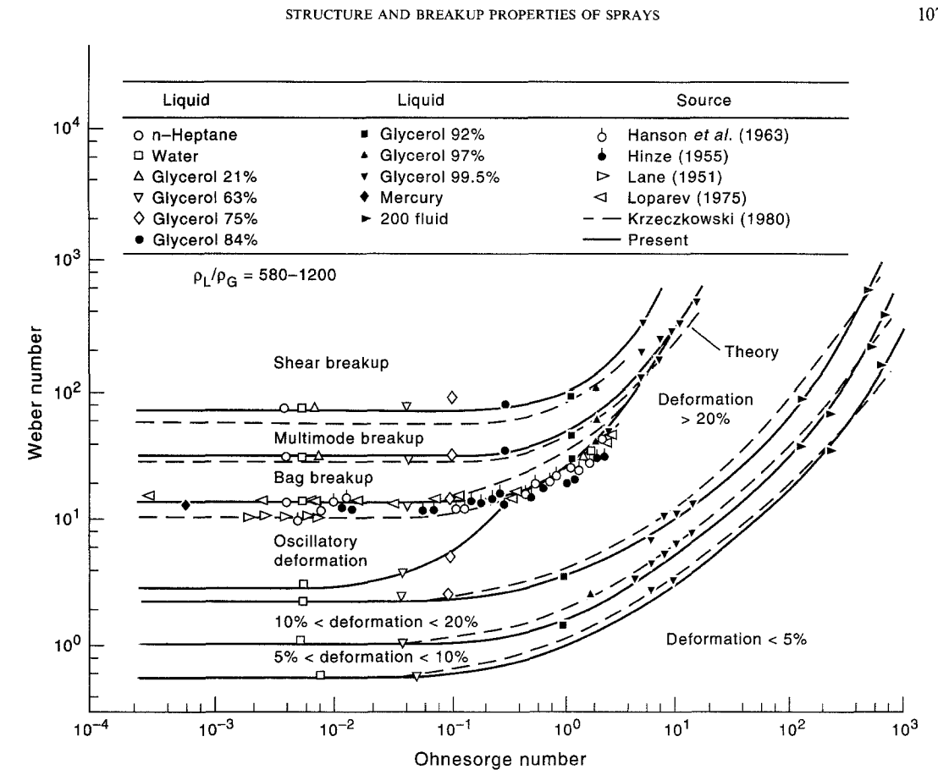
Oh = 0.001 Deformation Results
 | Transposed Matrix, numer = upper bound on regime
Oh | Model | <5% | 5%< x <10% | 10%< x <20% | >20% | Osc. Def. | Bag Breakup | Multimode/Stripping | Shear/Catastrophic
0.001 | Hsiang & Faeth (1995) | 0.38 | 1 | 2.1 | 3 | 11 | 35 | 80 | 1000
0.001 | TAB | 0.3 | 0.7 | 1.5 | 1.5 | 5 | 5 | 5 | 1000
0.001 | ETAB | 0.3 | 0.7 | 1.5 | 1.5 | 7 | 70 | 300 | 1000
0.010 | Hsiang & Faeth (1995) | 0.38 | 1 | 2.1 | 3 | 11 | 35 | 80 | 1000
0.010 | TAB | 0.3 | 0.7 | 1.5 | 1.5 | 5 | 5 | 5 | 1000
Oh = 0.01 Deformation Results
0.010 | ETAB | 0.3 | 0.7 | 1.5 | 1.5 | 7 | 70 | 300 | 1000
0.100 | Hsiang & Faeth (1995) | 0.38 | 1 | 2.1 | 5 | 11 | 37 | 80 | 1000
0.100 | TAB | 0.3 | 0.7 | 1.5 | 3 | 5 | 5 | 5 | 1000
0.100 | ETAB | 0.3 | 0.7 | 1.5 | 3 | 7 | 70 | 300 | 1000

 | Differences for Bar Chart
Oh | Model | <5% | 5%< x <10% | 10%< x <20% | >20% | Osc. Def. | Bag Breakup | Multimode/Stripping | Shear/Catastrophic
0.001 | Hsiang & Faeth (1995) | 0.38 | 0.62 | 1.1 | 0.9 | 8 | 24 | 45 | 920
0.001 | TAB | 0.3 | 0.4 | 0.8 | 0 | 3.5 | 0 | 0 | 995
0.001 | ETAB | 0.3 | 0.4 | 0.8 | 0 | 5.5 | 63 | 230 | 700
0.010 | Hsiang & Faeth (1995) | 0.38 | 0.62 | 1.1 | 0.9 | 8 | 24 | 45 | 920
Oh = 0.01 Deformation Results
0.010 | TAB | 0.3 | 0.4 | 0.8 | 0 | 3.5 | 0 | 0 | 995
0.010 | ETAB | 0.3 | 0.4 | 0.8 | 0 | 5.5 | 63 | 230 | 700
0.100 | Hsiang & Faeth (1995) | 0.38 | 0.62 | 1.1 | 2.9 | 6 | 26 | 43 | 920
0.100 | TAB | 0.3 | 0.4 | 0.8 | 1.5 | 2 | 0 | 0 | 995
0.100 | ETAB | 0.3 | 0.4 | 0.8 | 1.5 | 4 | 63 | 230 | 700

Oh = 0.1 Deformation Results

Oh = 0.1 Deformation Results

Tanner Deformation
Label | Behaviour | Tanner, 2003
5 (5) | <5% Deformation | We | Oh | Behaviour | Oh | <5% Deformation | 5% > Deformation >20% | 10%> Deformation >20% | >20% Deformation | Oscillatory deformation | Bag Breakup | Stripping Breakup | Catastrophic Breakup
10 (1) | 5% > Deformation >20% | 0.2 | 0.001 | 5 | 0.001 | 0.2
Tanner, 2003
 | <5% Deformation | 5% > Deformation >20% | 10%> Deformation >20% | >20% Deformation | Oscillatory deformation | Bag Breakup | Stripping Breakup | Catastrophic Breakup
0.001 | 0.2
0.001 |  | 0.4
0.001 |  | 0.6
0.001 |  |  | 0.8
0.001 |  |  | 1
0.001 |  |  |  |  | 2
0.001 |  |  |  |  | 4
0.001 |  |  |  |  | 6
0.001 |  |  |  |  |  | 8
0.001 |  |  |  |  |  | 10
0.001 |  |  |  |  |  | 20
0.001 |  |  |  |  |  | 40
0.001 |  |  |  |  |  | 60
0.001 |  |  |  |  |  |  | 80
0.001 |  |  |  |  |  |  | 100
0.001 |  |  |  |  |  |  | 200
0.001 |  |  |  |  |  |  |  | 400
0.01 | 0.2
0.01 |  | 0.4
0.01 |  | 0.6
0.01 |  |  | 0.8
0.01 |  |  | 1
0.01 |  |  |  |  | 2
0.01 |  |  |  |  | 4
0.01 |  |  |  |  | 6
0.01 |  |  |  |  |  | 8
0.01 |  |  |  |  |  | 10
0.01 |  |  |  |  |  | 20
0.01 |  |  |  |  |  | 40
0.01 |  |  |  |  |  | 60
0.01 |  |  |  |  |  |  | 80
0.01 |  |  |  |  |  |  | 100
0.01 |  |  |  |  |  |  | 200
0.01 |  |  |  |  |  |  |  | 400
0.1 | 0.2
0.1 |  | 0.4
0.1 |  | 0.6
0.1 |  |  | 0.8
0.1 |  |  | 1
0.1 |  |  |  | 2
0.1 |  |  |  |  | 4
0.1 |  |  |  |  | 6
0.1 |  |  |  |  |  | 8
0.1 |  |  |  |  |  | 10
0.1 |  |  |  |  |  | 20
0.1 |  |  |  |  |  | 40
0.1 |  |  |  |  |  | 60
0.1 |  |  |  |  |  |  | 80
0.1 |  |  |  |  |  |  | 100
0.1 |  |  |  |  |  |  | 200
...
20 (2) | 10%> Deformation >20% | 0.4 | 0.001 | 1 | 0.001 |  | 0.4
>20 (>) | >20% Deformation | 0.6 | 0.001 | 1 | 0.001 |  | 0.6
osc | Oscillatory deformation | 0.8 | 0.001 | 2 | 0.001 |  |  | 0.8
bag | Bag Breakup | 1.0 | 0.001 | 2 | 0.001 |  |  | 1
str | Stripping Breakup | 2.0 | 0.001 | o | 0.001 |  |  |  |  | 2
cat | Catastrophic Breakup | 4.0 | 0.001 | o | 0.001 |  |  |  |  | 4
 |  | 6.0 | 0.001 | o | 0.001 |  |  |  |  | 6
 |  | 8.0 | 0.001 | b | 0.001 |  |  |  |  |  | 8
 |  | 10.0 | 0.001 | b | 0.001 |  |  |  |  |  | 10
 |  | 20.0 | 0.001 | b | 0.001 |  |  |  |  |  | 20
 |  | 40.0 | 0.001 | b | 0.001 |  |  |  |  |  | 40
 |  | 60.0 | 0.001 | b | 0.001 |  |  |  |  |  | 60
 |  | 80.0 | 0.001 | s | 0.001 |  |  |  |  |  |  | 80
 |  | 100.0 | 0.001 | s | 0.001 |  |  |  |  |  |  | 100
 |  | 200.0 | 0.001 | s | 0.001 |  |  |  |  |  |  | 200
 |  | 400.0 | 0.001 | c | 0.001 |  |  |  |  |  |  |  | 400
 |  | 0.2 | 0.001 | 5 | 0.01 | 0.2
 |  | 0.4 | 0.01 | 1 | 0.01 |  | 0.4
 |  | 0.6 | 0.01 | 1 | 0.01 |  | 0.6
 |  | 0.8 | 0.01 | 2 | 0.01 |  |  | 0.8
 |  | 1.0 | 0.01 | 2 | 0.01 |  |  | 1
 |  | 2.0 | 0.01 | o | 0.01 |  |  |  |  | 2
 |  | 4.0 | 0.01 | o | 0.01 |  |  |  |  | 4
 |  | 6.0 | 0.01 | o | 0.01 |  |  |  |  | 6
 |  | 8.0 | 0.01 | b | 0.01 |  |  |  |  |  | 8
 |  | 10.0 | 0.01 | b | 0.01 |  |  |  |  |  | 10
 |  | 20.0 | 0.01 | b | 0.01 |  |  |  |  |  | 20
 |  | 40.0 | 0.01 | b | 0.01 |  |  |  |  |  | 40
 |  | 60.0 | 0.01 | b | 0.01 |  |  |  |  |  | 60
 |  | 80.0 | 0.01 | b | 0.01 |  |  |  |  |  |  | 80
 |  | 100.0 | 0.01 | s | 0.01 |  |  |  |  |  |  | 100
 |  | 200.0 | 0.01 | s | 0.01 |  |  |  |  |  |  | 200
 |  | 400.0 | 0.01 | c | 0.01 |  |  |  |  |  |  |  | 400
 |  | 0.2 | 0.1 | 5 | 0.1 | 0.2
 |  | 0.4 | 0.1 | 1 | 0.1 |  | 0.4
 |  | 0.6 | 0.1 | 1 | 0.1 |  | 0.6
 |  | 0.8 | 0.1 | 2 | 0.1 |  |  | 0.8
 |  | 1.0 | 0.1 | 2 | 0.1 |  |  | 1
 |  | 2.0 | 0.1 | > | 0.1 |  |  |  | 2
 |  | 4.0 | 0.1 | o | 0.1 |  |  |  |  | 4
 |  | 6.0 | 0.1 | o | 0.1 |  |  |  |  | 6
 |  | 8.0 | 0.1 | b | 0.1 |  |  |  |  |  | 8
 |  | 10.0 | 0.1 | b | 0.1 |  |  |  |  |  | 10
 |  | 20.0 | 0.1 | b | 0.1 |  |  |  |  |  | 20
 |  | 40.0 | 0.1 | b | 0.1 |  |  |  |  |  | 40
 |  | 60.0 | 0.1 | b | 0.1 |  |  |  |  |  | 60
 |  | 80.0 | 0.1 | s | 0.1 |  |  |  |  |  |  | 80
 |  | 100.0 | 0.1 | s | 0.1 |  |  |  |  |  |  | 100
 |  | 200.0 | 0.1 | s | 0.1 |  |  |  |  |  |  | 200
 |  | 400.0 | 0.1 | c | 0.1 |  |  |  |  |  |  |  | 400

O'Rourke Deformation
O'Rourke, 1987
 | <5% Deformation | 5% > Deformation >20% | 10%> Deformation >20% | >20% Deformation | Oscillatory deformation | Bag Breakup
0.001 | 0.2
0.001 |  | 0.4
0.001 |  | 0.6
0.001 |  |  | 0.8
0.001 |  |  | 1
0.001 |  |  |  |  | 2
0.001 |  |  |  |  | 4
0.001 |  |  |  |  | 6
0.001 |  |  |  |  |  | 8
0.001 |  |  |  |  |  | 10
0.001 |  |  |  |  |  | 20
0.001 |  |  |  |  |  | 40
0.001 |  |  |  |  |  | 60
0.001 |  |  |  |  |  | 80
0.001 |  |  |  |  |  | 100
0.001 |  |  |  |  |  | 200
0.001 |  |  |  |  |  | 400
0.01 | 0.2
0.01 |  | 0.4
0.01 |  | 0.6
0.01 |  |  | 0.8
0.01 |  |  | 1
0.01 |  |  |  |  | 2
0.01 |  |  |  |  | 4
0.01 |  |  |  |  | 6
0.01 |  |  |  |  |  | 8
0.01 |  |  |  |  |  | 10
0.01 |  |  |  |  |  | 20
0.01 |  |  |  |  |  | 40
0.01 |  |  |  |  |  | 60
0.01 |  |  |  |  |  | 80
0.01 |  |  |  |  |  | 100
0.01 |  |  |  |  |  | 200
0.01 |  |  |  |  |  | 400
0.1 | 0.2
0.1 |  | 0.4
0.1 |  | 0.6
0.1 |  |  | 0.8
0.1 |  |  | 1
0.1 |  |  |  | 2
0.1 |  |  |  |  | 4
0.1 |  |  |  |  | 6
0.1 |  |  |  |  |  | 8
0.1 |  |  |  |  |  | 10
0.1 |  |  |  |  |  | 20
0.1 |  |  |  |  |  | 40
0.1 |  |  |  |  |  | 60
0.1 |  |  |  |  |  | 80
0.1 |  |  |  |  |  | 100
0.1 |  |  |  |  |  | 200
...
Label | Behaviour | Tanner, 2003
5 (5) | <5% Deformation | We | Oh | Behaviour | Oh | <5% Deformation | 5% > Deformation >20% | 10%> Deformation >20% | >20% Deformation | Oscillatory deformation | Bag Breakup
10 (1) | 5% > Deformation >20% | 0.2 | 0.001 | 5 | 0.001 | 0.2
20 (2) | 10%> Deformation >20% | 0.4 | 0.001 | 1 | 0.001 |  | 0.4
>20 (>) | >20% Deformation | 0.6 | 0.001 | 1 | 0.001 |  | 0.6
osc | Oscillatory deformation | 0.8 | 0.001 | 2 | 0.001 |  |  | 0.8
bag | All Breakup | 1.0 | 0.001 | 2 | 0.001 |  |  | 1
 |  | 2.0 | 0.001 | o | 0.001 |  |  |  |  | 2
 |  | 4.0 | 0.001 | o | 0.001 |  |  |  |  | 4
 |  | 6.0 | 0.001 | o | 0.001 |  |  |  |  | 6
 |  | 8.0 | 0.001 | b | 0.001 |  |  |  |  |  | 8
 |  | 10.0 | 0.001 | b | 0.001 |  |  |  |  |  | 10
 |  | 20.0 | 0.001 | b | 0.001 |  |  |  |  |  | 20
 |  | 40.0 | 0.001 | b | 0.001 |  |  |  |  |  | 40
 |  | 60.0 | 0.001 | b | 0.001 |  |  |  |  |  | 60
 |  | 80.0 | 0.001 | b | 0.001 |  |  |  |  |  | 80
 |  | 100.0 | 0.001 | b | 0.001 |  |  |  |  |  | 100
 |  | 200.0 | 0.001 | b | 0.001 |  |  |  |  |  | 200
 |  | 400.0 | 0.001 | b | 0.001 |  |  |  |  |  | 400
 |  | 0.2 | 0.001 | 5 | 0.01 | 0.2
 |  | 0.4 | 0.01 | 1 | 0.01 |  | 0.4
 |  | 0.6 | 0.01 | 1 | 0.01 |  | 0.6
 |  | 0.8 | 0.01 | 2 | 0.01 |  |  | 0.8
 |  | 1.0 | 0.01 | 2 | 0.01 |  |  | 1
 |  | 2.0 | 0.01 | o | 0.01 |  |  |  |  | 2
 |  | 4.0 | 0.01 | o | 0.01 |  |  |  |  | 4
 |  | 6.0 | 0.01 | o | 0.01 |  |  |  |  | 6
 |  | 8.0 | 0.01 | b | 0.01 |  |  |  |  |  | 8
 |  | 10.0 | 0.01 | b | 0.01 |  |  |  |  |  | 10
 |  | 20.0 | 0.01 | b | 0.01 |  |  |  |  |  | 20
 |  | 40.0 | 0.01 | b | 0.01 |  |  |  |  |  | 40
 |  | 60.0 | 0.01 | b | 0.01 |  |  |  |  |  | 60
 |  | 80.0 | 0.01 | b | 0.01 |  |  |  |  |  | 80
 |  | 100.0 | 0.01 | b | 0.01 |  |  |  |  |  | 100
 |  | 200.0 | 0.01 | b | 0.01 |  |  |  |  |  | 200
 |  | 400.0 | 0.01 | b | 0.01 |  |  |  |  |  | 400
 |  | 0.2 | 0.1 | 5 | 0.1 | 0.2
 |  | 0.4 | 0.1 | 1 | 0.1 |  | 0.4
 |  | 0.6 | 0.1 | 1 | 0.1 |  | 0.6
 |  | 0.8 | 0.1 | 2 | 0.1 |  |  | 0.8
 |  | 1.0 | 0.1 | 2 | 0.1 |  |  | 1
 |  | 2.0 | 0.1 | > | 0.1 |  |  |  | 2
 |  | 4.0 | 0.1 | o | 0.1 |  |  |  |  | 4
 |  | 6.0 | 0.1 | o | 0.1 |  |  |  |  | 6
 |  | 8.0 | 0.1 | b | 0.1 |  |  |  |  |  | 8
 |  | 10.0 | 0.1 | b | 0.1 |  |  |  |  |  | 10
 |  | 20.0 | 0.1 | b | 0.1 |  |  |  |  |  | 20
 |  | 40.0 | 0.1 | b | 0.1 |  |  |  |  |  | 40
 |  | 60.0 | 0.1 | b | 0.1 |  |  |  |  |  | 60
 |  | 80.0 | 0.1 | b | 0.1 |  |  |  |  |  | 80
 |  | 100.0 | 0.1 | b | 0.1 |  |  |  |  |  | 100
 |  | 200.0 | 0.1 | b | 0.1 |  |  |  |  |  | 200
 |  | 400.0 | 0.1 | b | 0.1 |  |  |  |  |  | 400

